Cover
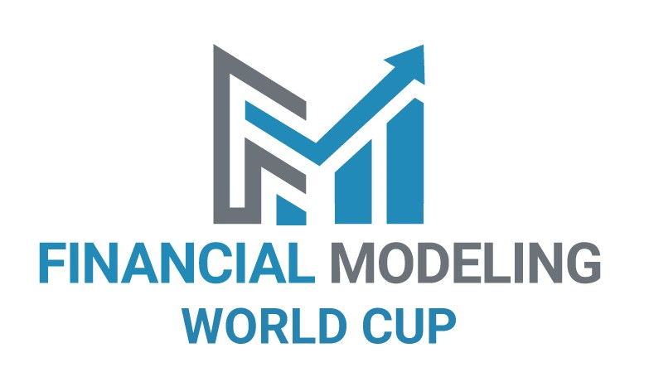

Case Author: Andrew Grigolyunovich, CFA, CFM, FMVA | 3-Sep-20
Forest Investment

Case Assumptions

R_Synthesis
 | 0 | 1 | 2 | 3 | 4 | 5 | 6 | 7 | 8 | 9 | 10 | 11 | 12 | 13 | 14 | 15
 | Timeline
 | 2020 | 2021 | 2022 | 2023 | 2024 | 2025 | 2026 | 2027 | 2028 | 2029 | 2030 | 2031 | 2032 | 2033 | 2034 | 2035

IS
Net result | 173,125.00 | 81,850.00 | 86,408.10 | 91,220.94 | 96,302.79 | 101,668.68 | 107,334.53 | 113,317.10 | 119,634.15 | 126,304.37 | 133,347.53 | 140,784.52 | 148,637.37 | 156,929.36 | 165,685.06 | 136,361.19
ROE | 20% | 9% | 8% | 8% | 8% | 8% | 7% | 7% | 7% | 7% | 7% | 7% | 7% | 7% | 7% | 5%

CF
FCFE | -701,875.00 | 0.00 | 0.00 | 0.00 | 0.00 | 0.00 | 0.00 | 0.00 | 0.00 | 0.00 | 0.00 | 0.00 | 0.00 | 0.00 | 0.00 | 2,680,785.68
Discounted CF | -701,875.00 | 0.00 | 0.00 | 0.00 | 0.00 | 0.00 | 0.00 | 0.00 | 0.00 | 0.00 | 0.00 | 0.00 | 0.00 | 0.00 | 0.00 | 735,977.65

NPV | 34,102.65

IRR | 9.35%

Property valuation
2020 | 2,187,500.00
2021 | 2,269,350.00
2022 | 2,355,758.10
2023 | 2,446,979.04
2024 | 2,543,281.83
2025 | 2,644,950.51
2026 | 2,752,285.04
2027 | 2,865,602.14
2028 | 2,985,236.29
2029 | 3,111,540.65
2030 | 3,244,888.19
2031 | 3,385,672.71
2032 | 3,534,310.08
2033 | 3,691,239.43
2034 | 3,856,924.49
2035 | 3,993,285.68

